Charts
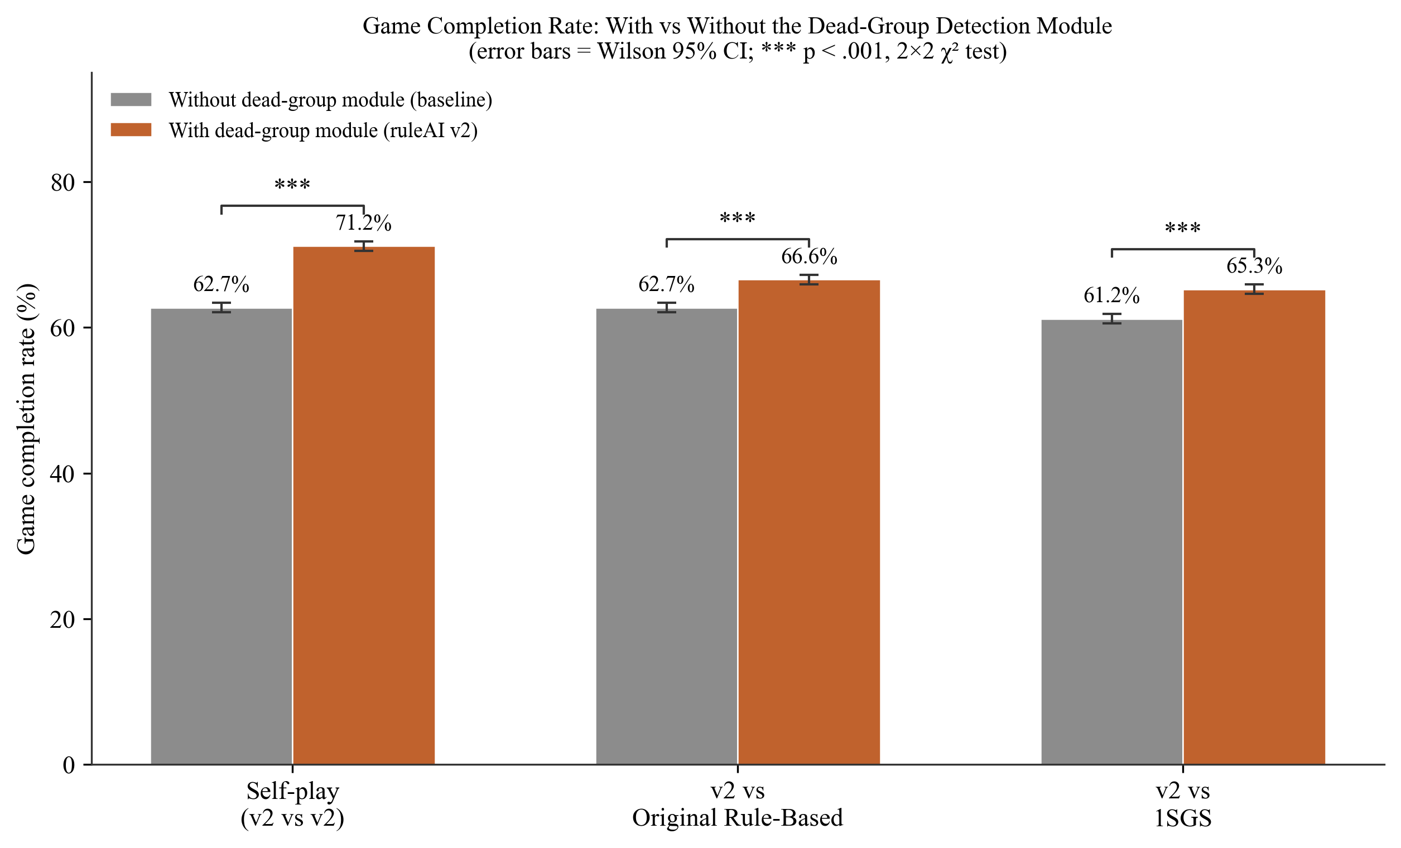
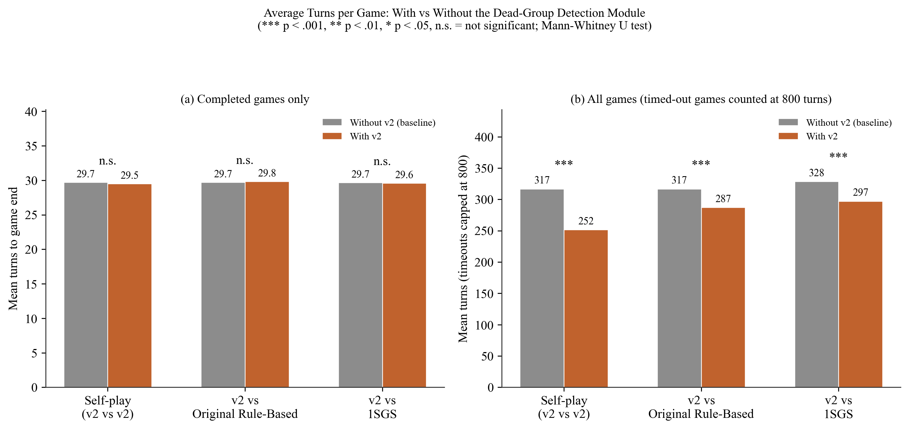
Figure X. Completion rate and turn-count comparison charts (300 dpi, ready for insertion)

